Problem 3
ISM-C1004 - Business Analytics 1 - Assignment 3 (Total 28 points)
Non-linear location problem (4 pts)
Whale Oil Ltd. operates six offshore oilrigs. It is planning to build a service platform from which maintenance helicopters could serve the rigs, and needs to decide what would be the best location for the service platform to minimize annual flight costs. The locations of the rigs are given in the Table 1 and illustrated on the attached map.
The cost of one kilometer helicopter flight is about 5 euros. It is estimated that there will be 200 flights annually to each rig, except for Norne (100 flights) and Ormen Lange (800 flights). Furthermore, the service platform has to be within 80 km range from one of the two land bases to allow building fiber optic communications cables.
a) Mathematically formulate an NLP problem that identifies the cost minimizing location for the service platform (2p) [HINT: You can use the notations in Table 1 to make your formulation more compact]
Answer here $\min{…}$
b) Implement the NLP model using spreadsheets (1p)
c) Solve the NLP model with "GRG nonlinear"-algorithm, report the optimal objective function value and draw the optimal solution to the map (0.5p)
Answer here
d) Solve the NLP model with "Evolutionary"-algorithm, report the optimal objective function value and draw the optimal solution to the map (0.5p) [HINT: answer might differ form that of c)]
Answer here
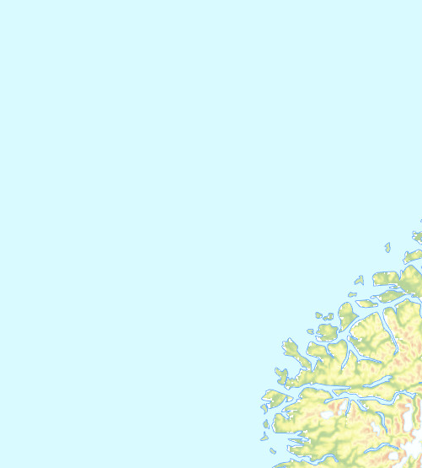
Grading
a) Is the formulation reasonable? (+0-2pts)
Formulation is reasonable and correct. (Note that multiple equivalent formulations exist.) (2 pts)
Formulation is reasonable, but there are minor mistakes (1pts)
Formulation is reasonable, but there are major mistakes. (0.5pts)
Completely unreasonable or no mathematical formulation given. (0 pts)
b) Is the spreadsheet implementation reasonable? (+0-1pts)
The variables are clearly named and the cell values correspond to the objective function and constraint coefficients. (2pt)
Small errors or not clearly names (0.5pt)
There are major errors in the spreadsheet implementation. (0pt)
No spreadsheet implementation given. (0 pts)
c) Resonable value, does not have to be exactly correct as non-linear solver is not that good (+0.5pt)
d) Resonable value, does not have to be exactly correct as non-linear solver is not that good (+0.5pt)

 | Table 1
 |  |  |  | Oil rigs
 |  | Land base 1 | Land base 2 | Norne | Heidrun | Midgard | Smorbukk | Draugen | Ormen Lange
 | i | 1 | 2 | 3 | 4 | 5 | 6 | 7 | 8
 | xi | 204 | 281 | 234 | 224 | 243 | 189 | 220 | 128
 | yi | 25 | 69 | 322 | 220 | 186 | 185 | 123 | 72

